Index


Index

 | 1 | Assumptions | Link
 | 2 | P&L Inputs | Link
 | 3 | BS Inputs | Link
 | 4 | Revenue Buildup | Link
 | 5 | Cost Buildup | Link
 | 6 | BS Items | Link
 | 7 | Working Schedules | Link
 | 8 | Common Sizing Statement | Link
 | 9 | Income Statement | Link
 | 10 | Balance Sheet | Link
 | 11 | Cash Flow Statement | Link
 | 12 | DCF Valuation | Link
 | 13 | Comps | Link
 | 14 | Comps Data | Link
 | 15 | Ratio Analysis | Link
 | 16 | Equity Beta | Link
 | 17 | WACC | Link
 | 18 | Market Return | Link
 | 19 | Summary | Link

Assumptions
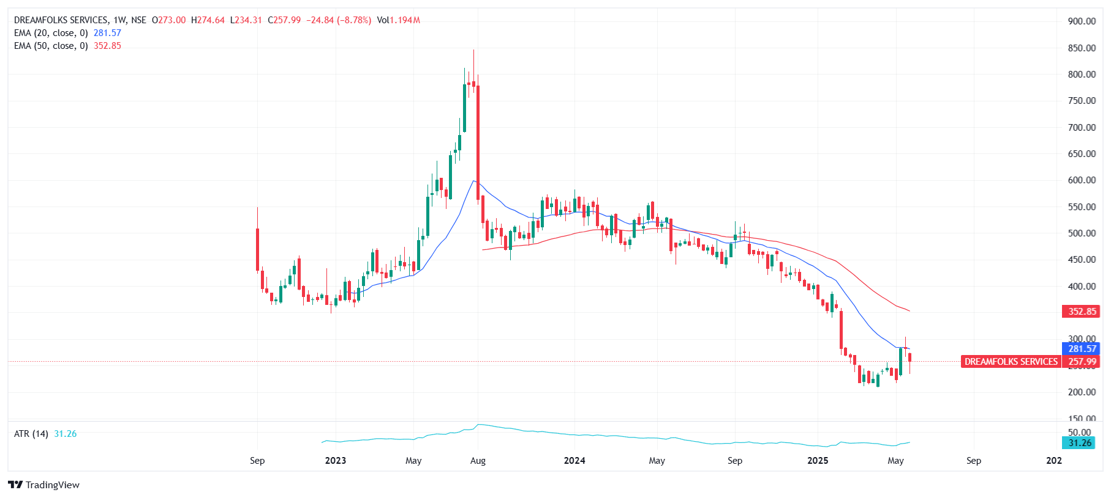
Company Name | Dreamfolks Services Ltd.
ISIN Code | INE0JS101016
Sector Name | Airport & Airport Services
Industry | Tourism & Hospitality
Exchange Name | NSE - Dreamfolks, BSE - 543591
Website | Dreamfolks
Company Description | DreamFolks Services Limited is India’s largest airport service aggregator platform, offering a wide range of travel services including airport lounge access, F&B, spa, meet and assist, baggage transfer, and transit hotel bookings. Operating through a tech-enabled platform, the company partners with major banks, card networks, and corporates, covering over 54 Indian airports and expanding to 121 countries globally. It enjoys over 95% market share in India’s card-based airport lounge access.
Current Market Price | ₹ 255.59

Scenario | Case | %
Base Case | 2 | 15.0

Company data
Particulars |  | Amount
No of Outstanding shares | Nos | 533.0
Face Value per share | Rs. | 1.0
Current Market Price | Rs. | 255.6
Market Capitalisation | INR in MM | 136,229.5

Assumptions
Increase in Industry Growth rate | % | 7.00% | (As per IBEF Data)
Perpetual Growth rate | % | 6.40% | (As Per RBI Data)
India 10-year Rupee Bond YTM | % | 6.7% | (As Per RBI Data)
Interest rate on borrowings | % | 19.0% | (As Per Company Data)
Annual growth tapering | % | 19%

Sheets | References | Assumptions
Revenue Buildup | H23:L23 | The revenue is calculated using the tourism sector’s growth rate from IBEF, which is 15% per year. The base case uses 15%, the best case assumes 20%, and the worst case assumes 10%, showing different possible growth situations.
 | H13:L13 | Other income for the forecasted period is assumed to be 0.3% of total revenue, based on the historical trend of non-core income sources such as interest earned on surplus cash, rental income, and miscellaneous receipts
Cost Buildup | H30:L30 | Tax Rate is estimated at 1% increase for every 3 years.
 | H10:L10, H15:L15, H18:L18 | COGS, Employee Benefit Expenses, and Other Expenses are projected as a percentage of revenue based on historical trends and the company's cost structure.
 | H22:L22 | Depreciation is projected to increase by 1% every three years, reflecting a gradual rise in asset base and capital expenditure over time.
BS Items | E9:L46 | All Balance Sheet items have been projected as a percentage of revenue. For the forecasted years, the percentage values have been held constant based on the last audited year to ensure consistency and simplify projections.
Common Sizing Statement | E8:G54 | Common size analysis assumes that presenting all financial line items as a percentage of a base figure, such as total revenue or assets, allows for easy comparison between companies and over different time periods. It also assumes that consistent accounting practices are followed to ensure accurate and meaningful comparisons
Working Schedules | H12:L13 | Trade Receivables and Trade Payables have been projected as a percentage of revenue, based on historical trends, to maintain consistency in working capital estimation.
 | H32:L32 | Capex of the year 2025 has been forecasted by increasing 1% every year to the latest audited year i.e 2024
Ratio Analysis | E9:L35 | Ratio analysis, including profitability, leverage, DuPont, operating, and solvency ratios, is based on historical trends and projected financials, assuming stable business operations, consistent cost structures, and no major changes in capital structure or financing policies during the forecast period.
Income Statement | H22:L23 | The company paid no dividends in FY2022 and FY2023 but introduced a 3.80% payout in FY2024. A constant 3.80% dividend payout is assumed for the forecast period. The company paid no dividends in FY2022 and FY2023 but introduced a 3.80% payout in FY2024. A constant 3.80% dividend payout is assumed for the forecast period. The company paid no dividends in FY2022 and FY2023 but introduced a 3.80% payout in FY2024. A constant 3.80% dividend payout is assumed for the forecast period.
 | E8:L20 | It is expected that the income statement records revenue and expenses in accordance with the business's standard procedure. Current trends and industry norms are used to anticipate future revenue and expenses.
Balance Sheet | H10:L10 | In the balance sheet, cash and cash equivalents are used as the balancing figures.
 | H34:L34 | Projected retained earnings, which represent the company's policy for retaining and distributing earnings, are calculated by adding the anticipated net profit and deducting the annual dividend.
Cash Flow | H9:L38 | Cash flow is calculated using information from the balance sheet and income statements. To anticipate cash flow, we use the difference between the amounts from the two years, i.e., the current year and the previous year.
WACC | D10:E42 | WACC is assumed to be 7.049 based on the company’s capital structure and industry standards.
Comps | D10:K23 | Comparable companies are selected based on similar industry, size, geography, and business model, ensuring relevant financial metrics.
Equity Beta | D11:X12 | The stock exchange rate and the company's exchange rate for the previous five years were used to calculate equity. utilizing the Slope function.
Market Return | D9:F9 | The market return has been calculated using the ten-year index stock exchange price (i.e., the Nifty 50 Index).
Summary | I10:N34 | On the Football Field Chart, DLF's valuation range is displayed according to analyst consensus, 52-week high/low, trading comps, and DCF. In a variety of situations, it offers a graphic representation of both intrinsic and market-based valuation techniques.

Summary
Valuation Summary

Football Field Data

 |  |  |  |  | Market
 |  | Comps | DCF | 52 week hi/lo | Consensus
 | High | 690 | 53 | 528 | 507
 | High | 690 | 53 | 528 | 507
 | Low | 50 | 46 | 209 | 361
 | Low | 50 | 46 | 209 | 361

Valuation Summary

Valuation Summary

